Database
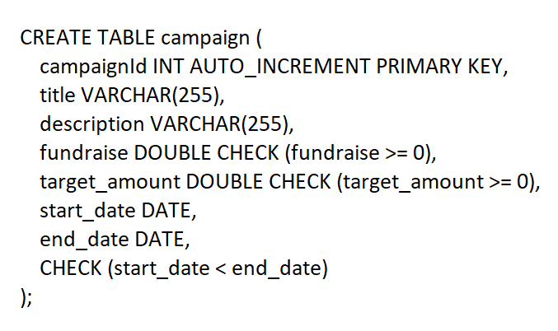
Database

Database Name - donation_db

donation_db | 1. user
 | 2. donation
 | 3. campaign
 | 4. Contact

Table 1 - User
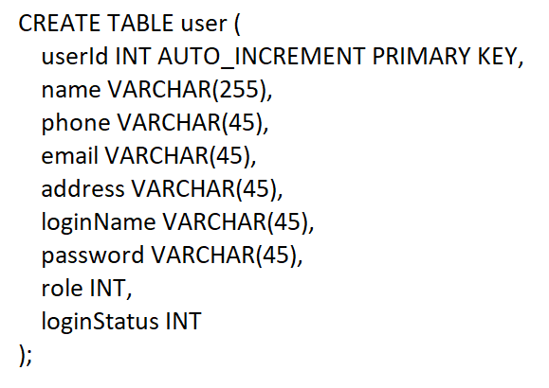

Table 2 - Donation
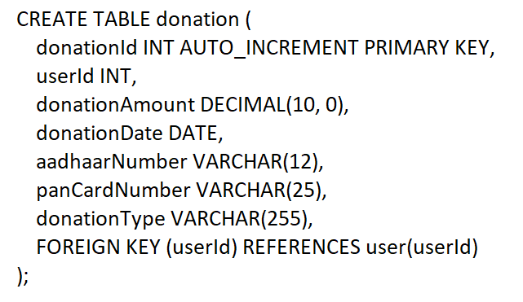

Table 3 - Campaign

FlowDaigram
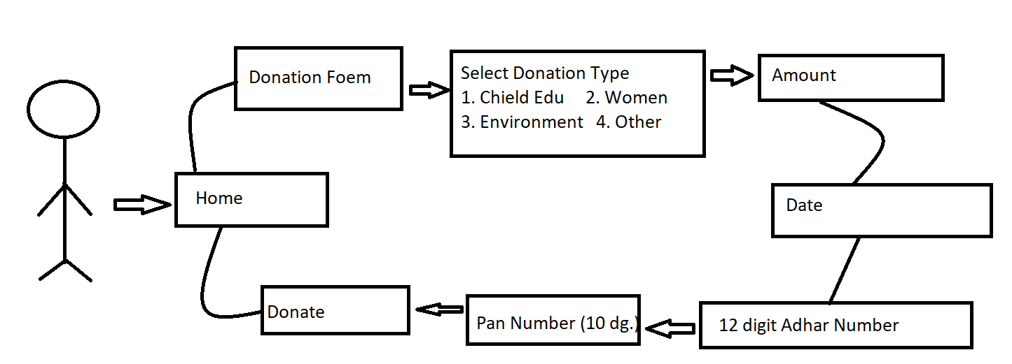
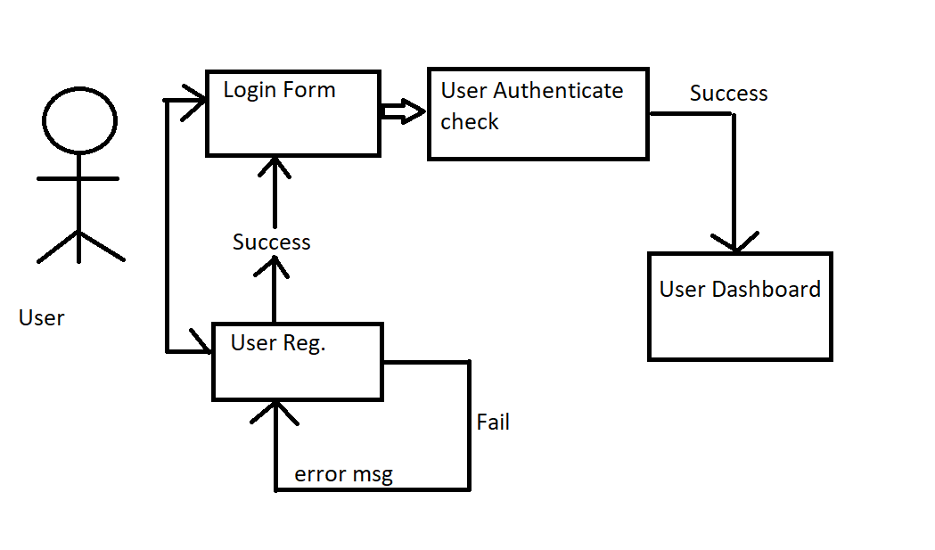
User login

Donation -

